MAP
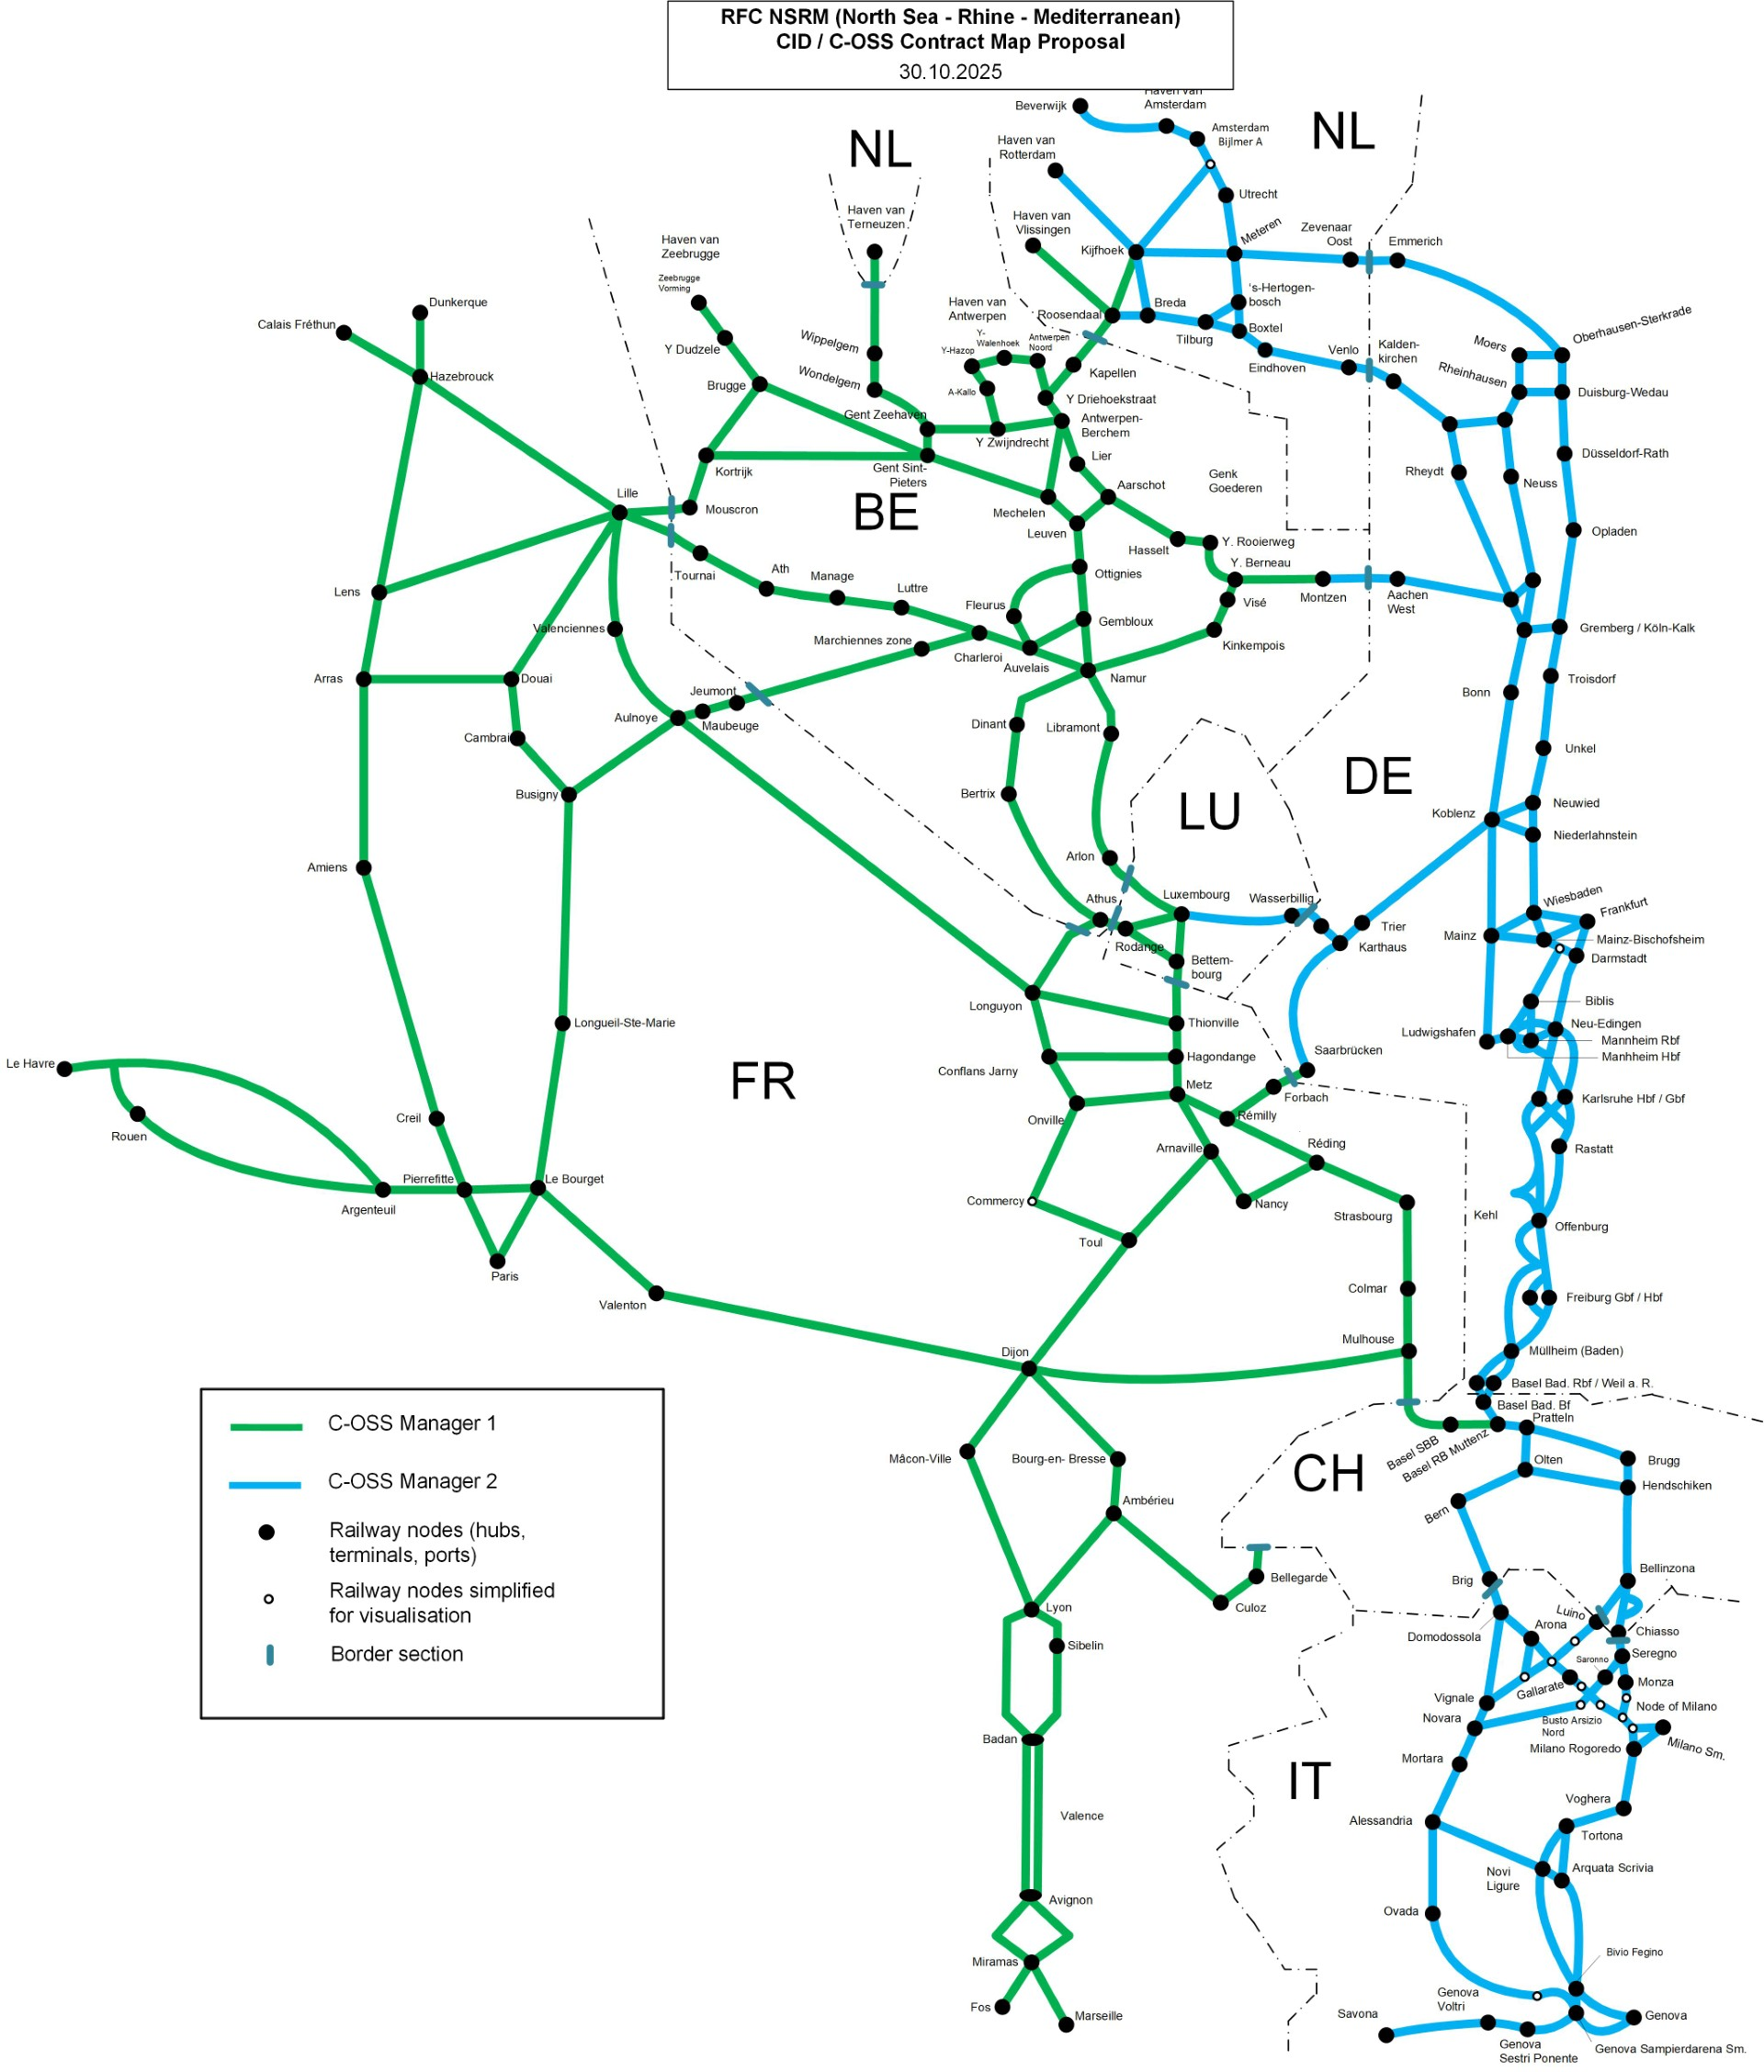


PaP Catalogue "Late Path Request" for timetable 2027
Version 1 published 26/06/2026

Late path requests refer to capacity requests concerning the annual timetable sent to the C-OSS within the timeframe from X-7.5 until X-2.

Capacity for late path requests has to be requested via PCS either in the same way as for PaPs or by using capacity slots in PCS.

Codes & Parameters


RFC NSRM PaPs TT 2027

PaP Origin Destination codes

IM | code | location
ADIF | AB | Madrid Abroñigal
ADIF | AG | Algeciras
Infrabel | AL | Aalst
RFI | AL (RFC MED) | Alessandria
ADIF | AE | Almeria
Infrabel | AH | Ath
SNCFR | AM | Ambérieu
Infrabel | AN | Antwerpen-Noord
SNCFR | AP | Apach (Moselle)
Infrabel | AT | Athus
Infrabel | AU | Aubange / Aubange Frontière LUX
ProRail | AW | Amsterdam-Westhaven
SBB | BS | Basel / Bâle
ADIF | BA | Barcelona
INFRABEL | BE | Bertrix
SNCFR | BG | Bully-Grenay
SNCFR | BI | Baisieux (Blandain)
ADIF | BM | Bilbao Mercancías
SNCFR | BO | Bobigny
SNCFR | BP | Beau-Marais
ACF | BT | Bettembourg
ADIF | BV | Villafría (Burgos)
RFI | BU (RFC MED) | Busto Arsizio
SNCFR | BY | Bayonne
RFI | CA | Candiolo
SNCFR | CE | Cerbere
SNCFR | CG | Champigneulles
SBB | CH | Chiasso
SNCFR | CJ | Conflans-Jarny
Infrabel | CL | Châtelet
RFI | CN | Cassano
ADIF | CO | Constanti
SNCFR | CS | Calais
NetworkRail | DA | Dagenham
DB-InfraGo | DB | Duisbourg
SNCFR | DI | Dijon
SNCFR | DK | Dunkerque
SBB | DO | Domodossola
MAV-VPE | DO (RFC MED) | Dombovar
SNCFR | DP | Dijon-Perrigny
SK | DS | Dunajka Strada
SNCFR | DU | Dourges
SNCFR | EG | Ebange
DB-InfraGo | EI | Einsiedlerdorf
IP | EN | Entroncamento
Infrabel | ES | Essen-Grens
DB-InfraGo | FB | Forbach
SNCFR | FE | Feignies (Quévy)
MAV-VPE | FE (RFC MED) | Ferencvaros
RFI | FI | Fiorenzuola
SBB | GE | Genève-la-Praille
Infrabel | GH | Gent-Zeehaven
SNCFR | GP | Grandpuits
ADIF | GR | Granollers
SNCFR | GV | Dijon-Gevrey
MAV-VPE | GY | Gyekenyes
SNCFR | HE | Hendaye
SNCFR | HG | Hagondange
SNCFR | HN | Hausbergen
SZ-I | HO | Hodos
Infrabel | HV | Havinnes
ADIF | IR | Irún
SNCFR | IS | Berguette-Isbergues
SNCFR | IN | Irun
SNCFR | JT | Jeumont (Erquelinnes)
MAV-VPE | KA | Kaposvar
ProRail | KF | Rotterdam-Kijfhoek
Infrabel | KI | Kinkempois
DB-InfraGo | KN | Köln
SZ-I | KO | Koper
SNCFR | LB | Le Boulou
ADIF | LB | Linares - Baeza
SNCFR | LD | Lille-Délivrance
IP | LE | Leixoes
IP | LI | Lisboa (Bobadela)
Infrabel | LL | La Louvière Gare Industrielle
SNCFR | LN | Lyon-Guillotière
SBB | LP | La Plaine
SNCFR | LR | Lerouville
DB-InfraGo | LU | LUDWIGSHAFEN
DB-InfraGo | MA | Mannheim
ProRail | MO | Moerdijk
Infrabel | MR | Marchienne-Zone
Infrabel | MC | Monceau
SNCFR | MD | Modane
ADIF | ME | Mérida
RFI | MI | Milano
SNCFR | MM | Mont-St-Martin
SNCFR | MN | Mulhouse-Nord
Infrabel | MO | Montzen
Infrabel | MS | Mons
Infrabel | MZ | Muizen
SNCFR | NE | Nesle (Somme)
RFI | NO | Novara
SNCFR | NS | Noisy-le-Sec
RFI | OR | Orbassano
RFI | OR | Torino Orbassano
ADIF | PA | Pamplona
ADIF | PB | Port Bou
SNCFR | PN | Perpignan
RFI | PO | Portogruaro
Infrabel | PR | VERB.PRAYON-RUPEL
RFI | QV | Quattro Ville
HZ-I | RI | Rijeka
Infrabel | RO | Ronet
ProRail | RS | Roosendaal
SNCFR | RU | Rungis
DB-InfraGo | SA | Saarbrücken
SNCFR | SA | St Avre
ADIF | SC | Salamanca
SNCF R | SE | Sète
SNCFR | SG | Strasbourg
SNCFR | SI | Sibelin
ADIF | SL | Silla (Valencia)
SNCFR | SM | St Jean de Maurienne
SNCFR | SO | Somain
RFI | SP | Spinetta
SNCFR | SY | Sucy-Bonneuil
ADIF | TA | Tarragone
SNCFR | TC | Tourcoing
SNCFR | TG | Tergnier
SNCFR | TH | Thionville
RFI | TO | Tortona
Infrabel | TS | Tessenderlo
SNCFR | UC | Uckange
SNCFR | US | Busigny
ADIF | VC | Vicálvaro Clasificación (Madrid)
ProRail | VE | Venlo
SNCFR | VI (RFC ATL) | Vaires
SNCFR | VO | Valenton
RFI | VO (RFC MED) | Villa Opicina
SNCFR | VS | Valenciennes
Infrabel | VT | Virton
SNCFR | VX | Venissieux
SNCFR | WY | Woippy
ADIF | ZA | Zaragoza
MAV-VPE | ZA (RFC6) | Zahony
HZ-I | ZG | Zagreb
Infrabel | ZV | Zeebrugge-Vorming

PaP parameter sets:
 |  | max train length (m) | max train weight (t) | max length of set of carriages (m) | max weight of set of carriages (t) | reference loco | profile | planned speed | MinBrakedWeight % | Route class
IM | reference |  |  |  |  | Type of loco
ACF | 02ACF01 | 730 | 1300 | 710 | 1210 | E loc Type 13 | P/C 070/400 | 90
Infrabel | 02INFRA08 | 669 | 1690 | 650 | 1600 | E loc Type 13 | P/C 070/400 | 100
Infrabel | 02INFRA38 | 669 | 1485 | 650 | 1400 | E loc Type 13 | P/C 070/400 | 100
Infrabel | 02INFRA70 | 569 | 1690 | 550 | 1600 | E loc Type 13 | P/C 070/400 | 100
Infrabel | 02INFRA71 | 569 | 1490 | 550 | 1400 | E loc Type 13 | P/C 070/400 | 100

